P3.91
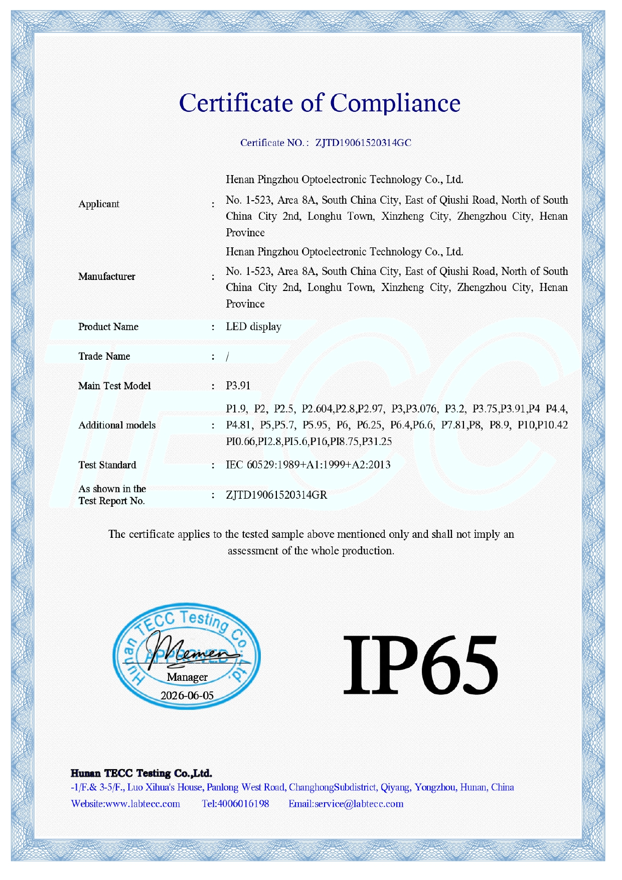 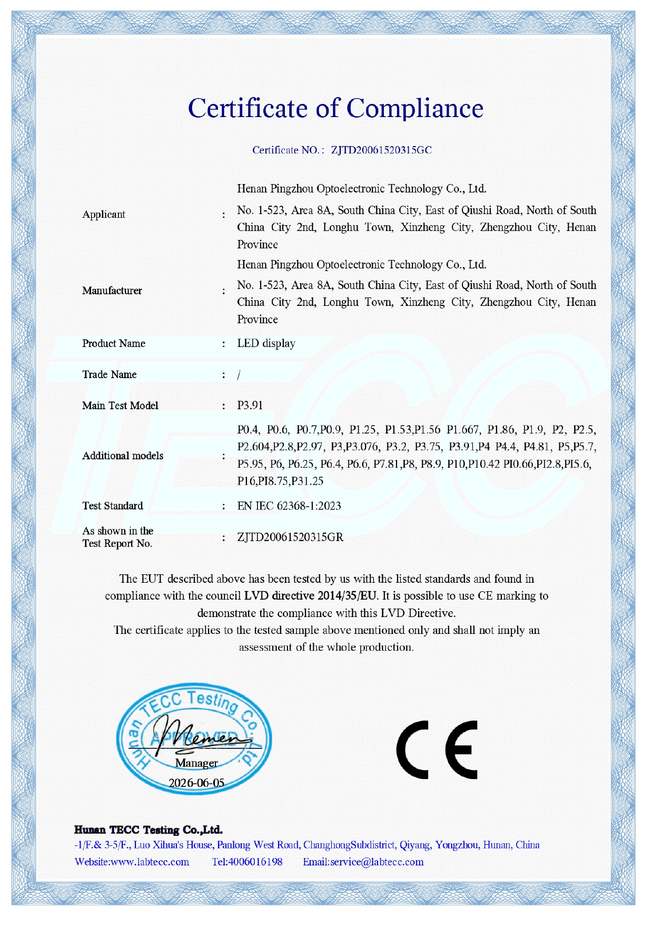 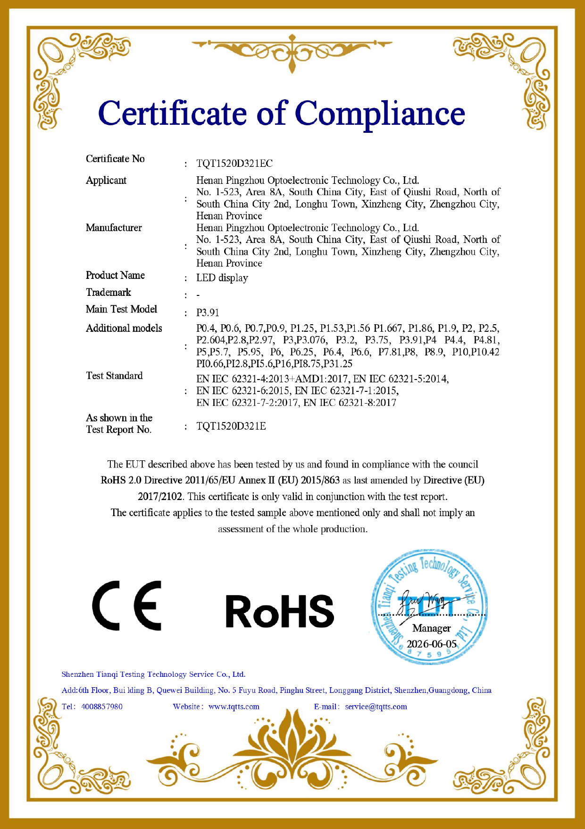 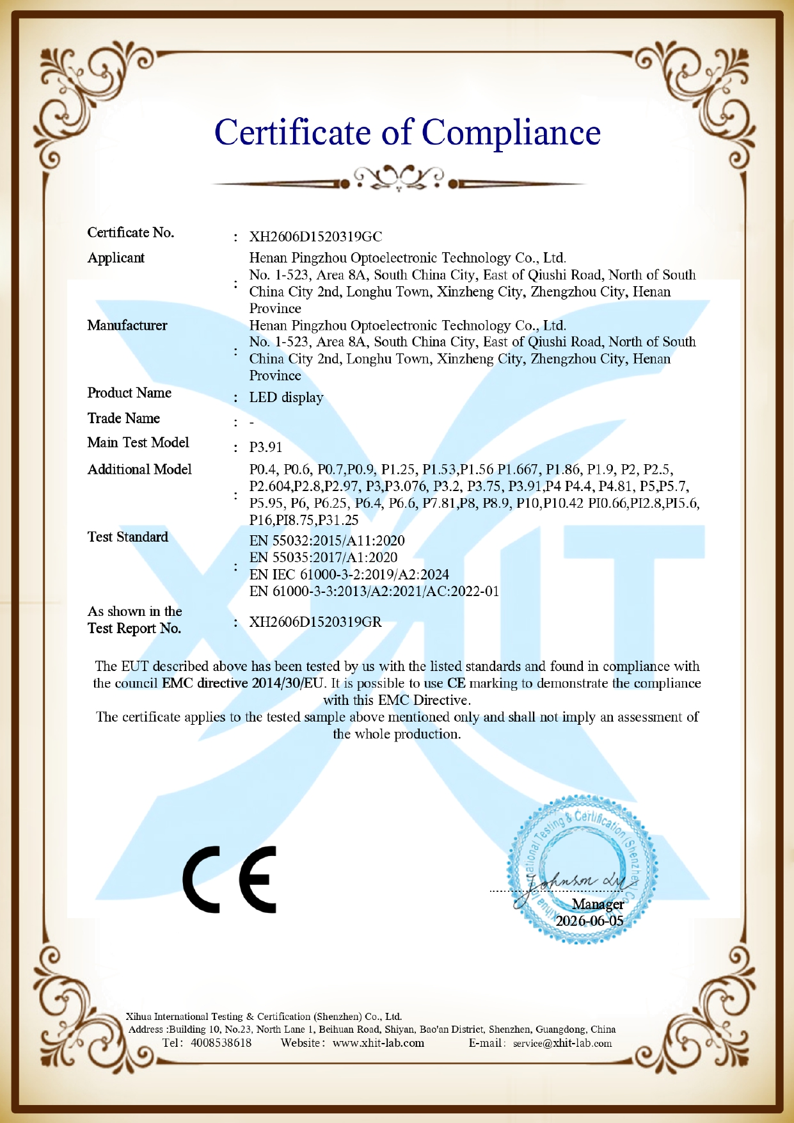 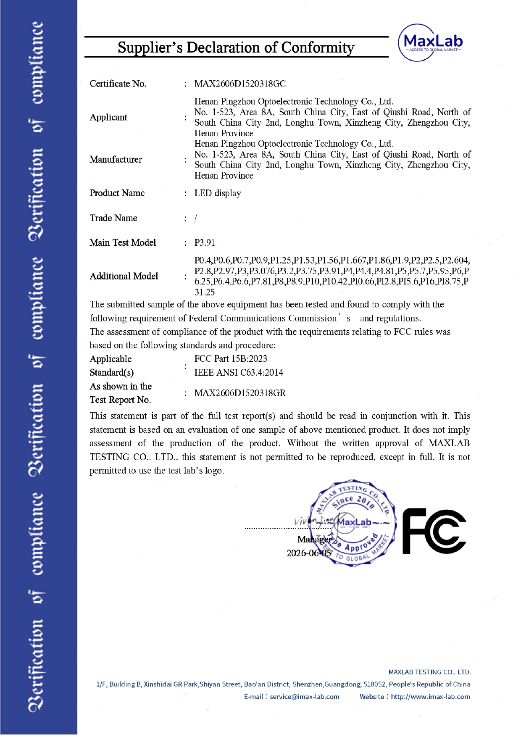
Henan Pingzhou Electronic Technology Co., Ltd.
Addr: South China City Building Materials Trading Center, Xincheng District, Zhengzhou City, Henan Province, China - 8a-1-523
WhatsApp:+86 15039088201 E-mail: huishengtao678@gmail.com
Screen Basic Information
Customer Requirements | P3.91 Indoor Holographic Display Screen |  |  |  |  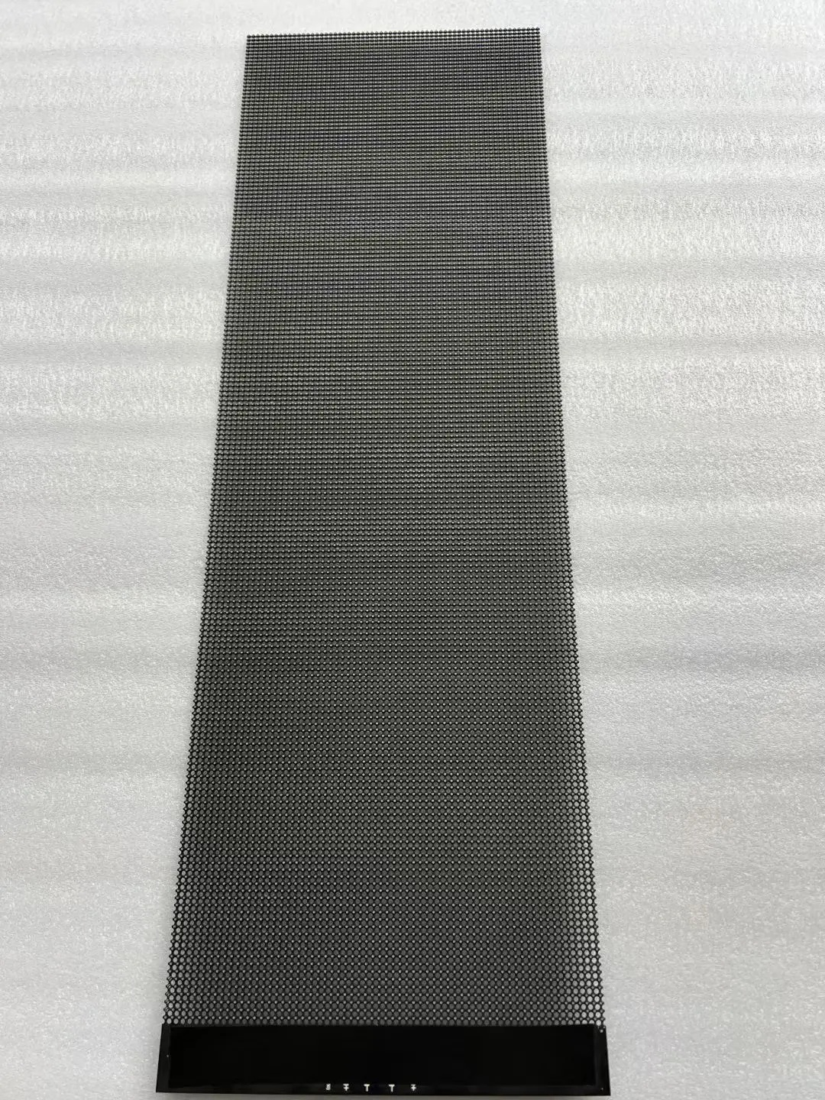
Controller | Novastar synchronous control
Screen size(W*H) (meter) | 1863*2498
P3.91 Indoor Holographic Display Screen (Screen size: 125*1500mm,, total 111pcs)
Product Name | Specification |  | Quantity | Unit | U/P(usd) | Amount(usd) | Remark
P3.91 Indoor Holographic Display Screen | 125x1500mm aluminum material, 1920Hz, 3000nits, including receiving card and 110V power supply |  | 27.75 | ㎡ | 1896.06 | 52615.7 | Screen
Main power cable | Dia@2.5mm 10m |  | 18 | pcs | 0 | 0.0
Main singal cable | CAT6 10m |  | 3 | pcs | 17 | 51.0
Receiving card | Novastar A5S +HUB |  | 205 | pcs | Included | Included
Sending card | Novastar CMS260 |  | 1 | pcs | 450 | 450.0 | Controller
Spare module | 125*1500mm |  | 6 | pcs | 373.8 | 2242.8 | Spare parts suggest to by
Spare power supply | 110V/ 5V60A200W |  | 4 | pcs | 17.6 | 70.4
Spare receiving card | Novastar A5S +HUB |  | 2 | pcs | 32.89 | 65.8
Other parts | brackets and screws, LED lamp, IC, software |  | 1 | lot | free | free
Packing | Wooden case |  | 5 | pcs | 56.2 | 281.0 | Shipping
Freight by Sea | To |  | 1 | lot
Total Amount including all (except freight) |  |  |  |  |  | US$55,776.65
Remark
Price Term: |  | Delivery address：DDP TO 460 E William St, San Jose, CA 95112 Delivery time : Production: 20 days, waiting for shipment: 10 days, sea freight & final delivery: 35days. Total lead time: 35 days. If you need the goods sooner, please let me know and I will update the shipping plan.

Valid Date: |  | to Jun. 25th,2026
Lead Time: |  | 20 working days after receiving the deposit.
Payment Term: |  | 50% T/T as payment,50% balance before shipment.
Warranty: |  | 5 years warranty and lifetime service.
 |  | Free technology support by phone or email.
 |  | Damage and breakage of the screen caused by human factors or improper installation are not covered by the warranty.
 |  | Our company reserves the right of final interpretation for all technology specifications.
Successul Cases
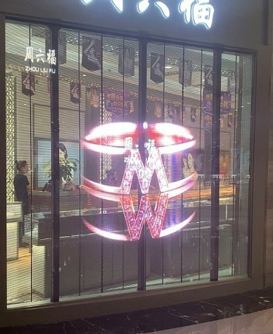 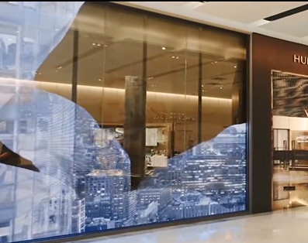 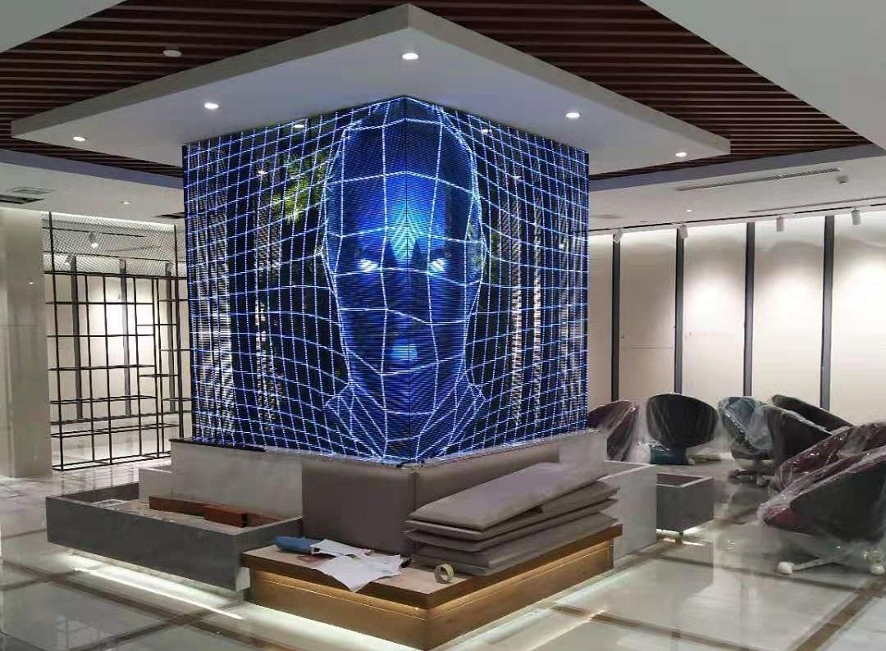

Technical Specifications
Product specification | P3.91 |  |  |  | 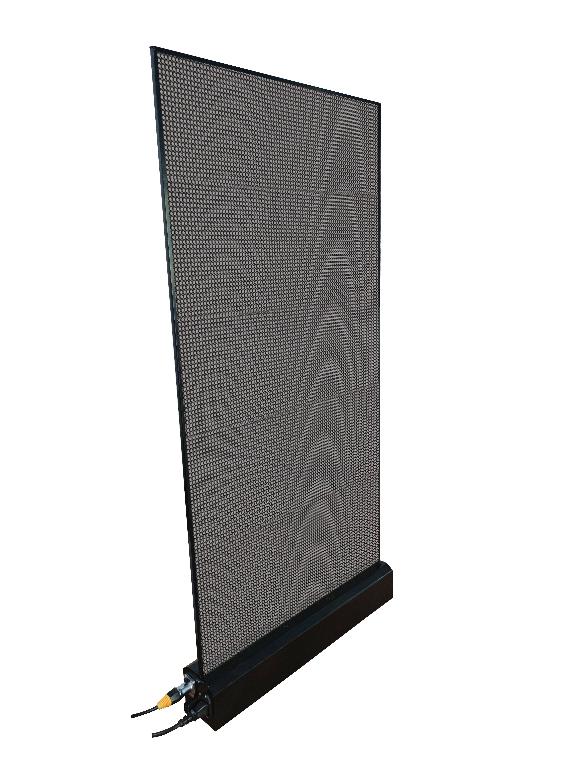 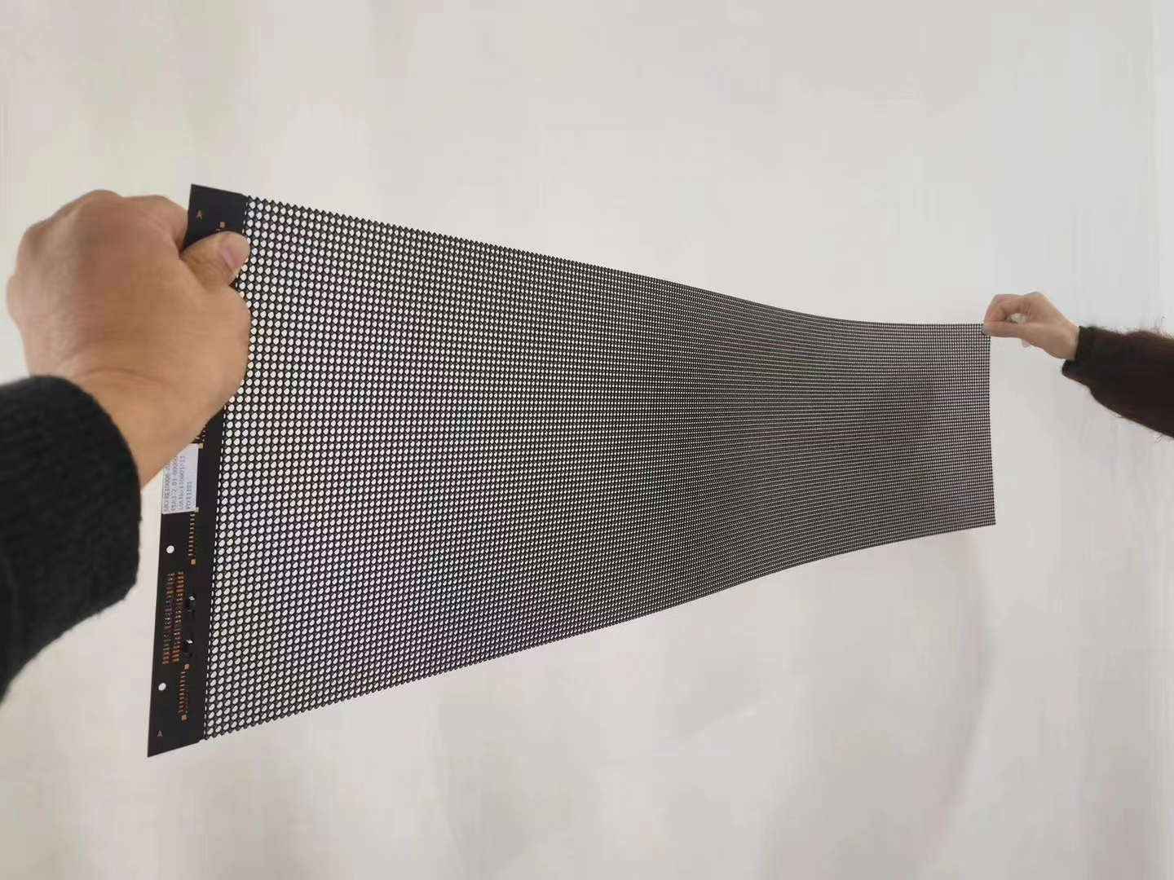
Pixel pitch | 3.91mm
LED specification | SMD2121 (light drive in one)
Pixel composition | 1R1G1B
Module Resolution | 1500*125
Pixel resolution | 65536/㎡
Permeability | ≥90%
Box wiring mode | Internal wiring (clean back)
Weight | ≤ 5KG/m2
White balance brightness | 1000-5000cd/m²
Peak power consumption | 800W/㎡
Average power consumption | About 300 W/㎡ (depending on the video source)
Refresh frequency | ≥3840hz
Grayscale level | 16Bit
Brightness control level | Grade 0-256
Color temperature | 5500K-9300K (adjustable)
Frame change frequency | ≥60Hz
Viewing angle | H-H140 degrees V-V140 degrees
Input signal | DVI VGA, composite video
Control screen mode | Or synchronous box (computer control screen) or asynchronous box (WiFi connection mobile phone APP control screen, USB flash drive control screen)
Protection grade | IP30
Power supply requirements | AC 220V ± 10%, 50-60Hz, (optional wide voltage 110V and 9-36V)
working temperature | -20~50 ℃
Theoretical service life | 100000 hours

