4500CD
Henan Pingzhou Electronic Technology Co., Ltd.
Addr: South China City Building Materials Trading Center, Xincheng District, Zhengzhou City, Henan Province, China - 8a-1-523
WhatsApp:+86 15039088201 E-mail: huishengtao678@gmail.com
LED transparent screen, size 3.91*7.8, quotation available |  |  |  |  |  |  |  |  | 案例
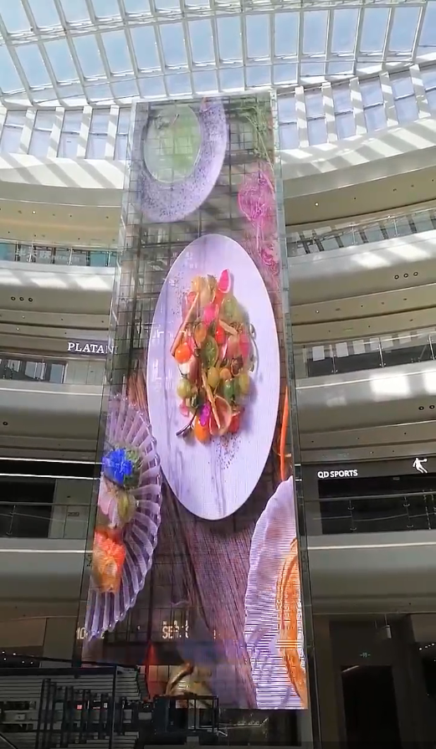
The buyer |  |  |  |  | Seller
Contact person |  |  |  |  | Contact person
Company |  |  |  |  | Company
Mobile phone |  |  |  |  | Mobile phone
Address |  |  |  |  | Address
屏体尺寸 |  | Screen size: 4*2 m = 8 ㎡
序号 | 项目 | Equipment Name | type specification | quantity | unit | unit price | total prices | remark
1 | Screen body part | Outdoor LED transparent screen | P3.91*7.8 | 8 | ㎡ | 692 | US$5,536 | 1000*1000 * 8pcs
 |  | processor | video processor | 1 | pcs | 294 | US$294
 |  | Receiving card | Nova/Callette | include | pcs | 0 | ` | include
 |  | power supply | Silent professional power supply | include | pcs | 0 | US$0 | include
 |  | packing box |  | 1 |  | 0 | US$147 | include
Total: |  |  |  |  |  |  | US$5,977
2 | peripheral equipment | Screw |  | 1 | pcs | 0 | US$0
 |  | Backup receiving card |  | 1 | pcs | 0 | US$0
 |  | Backup lamp panel |  | 4 | pcs | 0 | US$0
 |  | Backup power supply |  | 1 | pcs | 0 | US$0
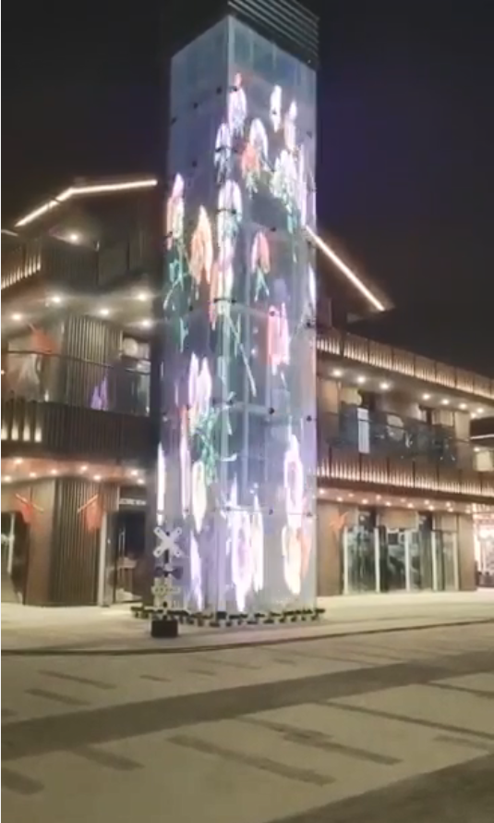
 |  | Transfer board |  | 1 | pcs | 0 | US$0
Total: |  |  |  |  |  |  | US$0
3 | in total |  |  |  |  |  | US$5,977
4 | ocean freight(DDP) |  |  |  |  |  | US$1,571
5 | in total |  |  |  |  |  | US$7,548
备注：

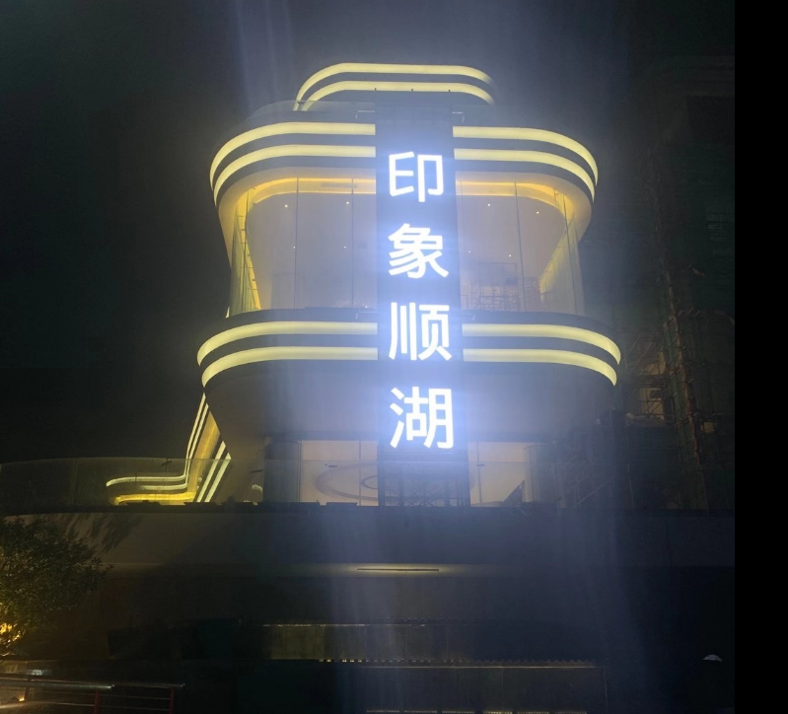
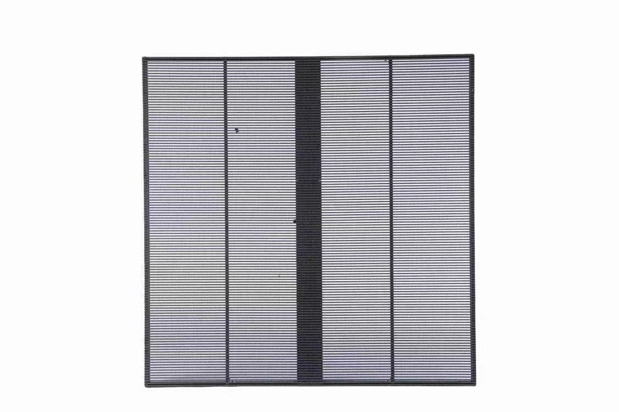 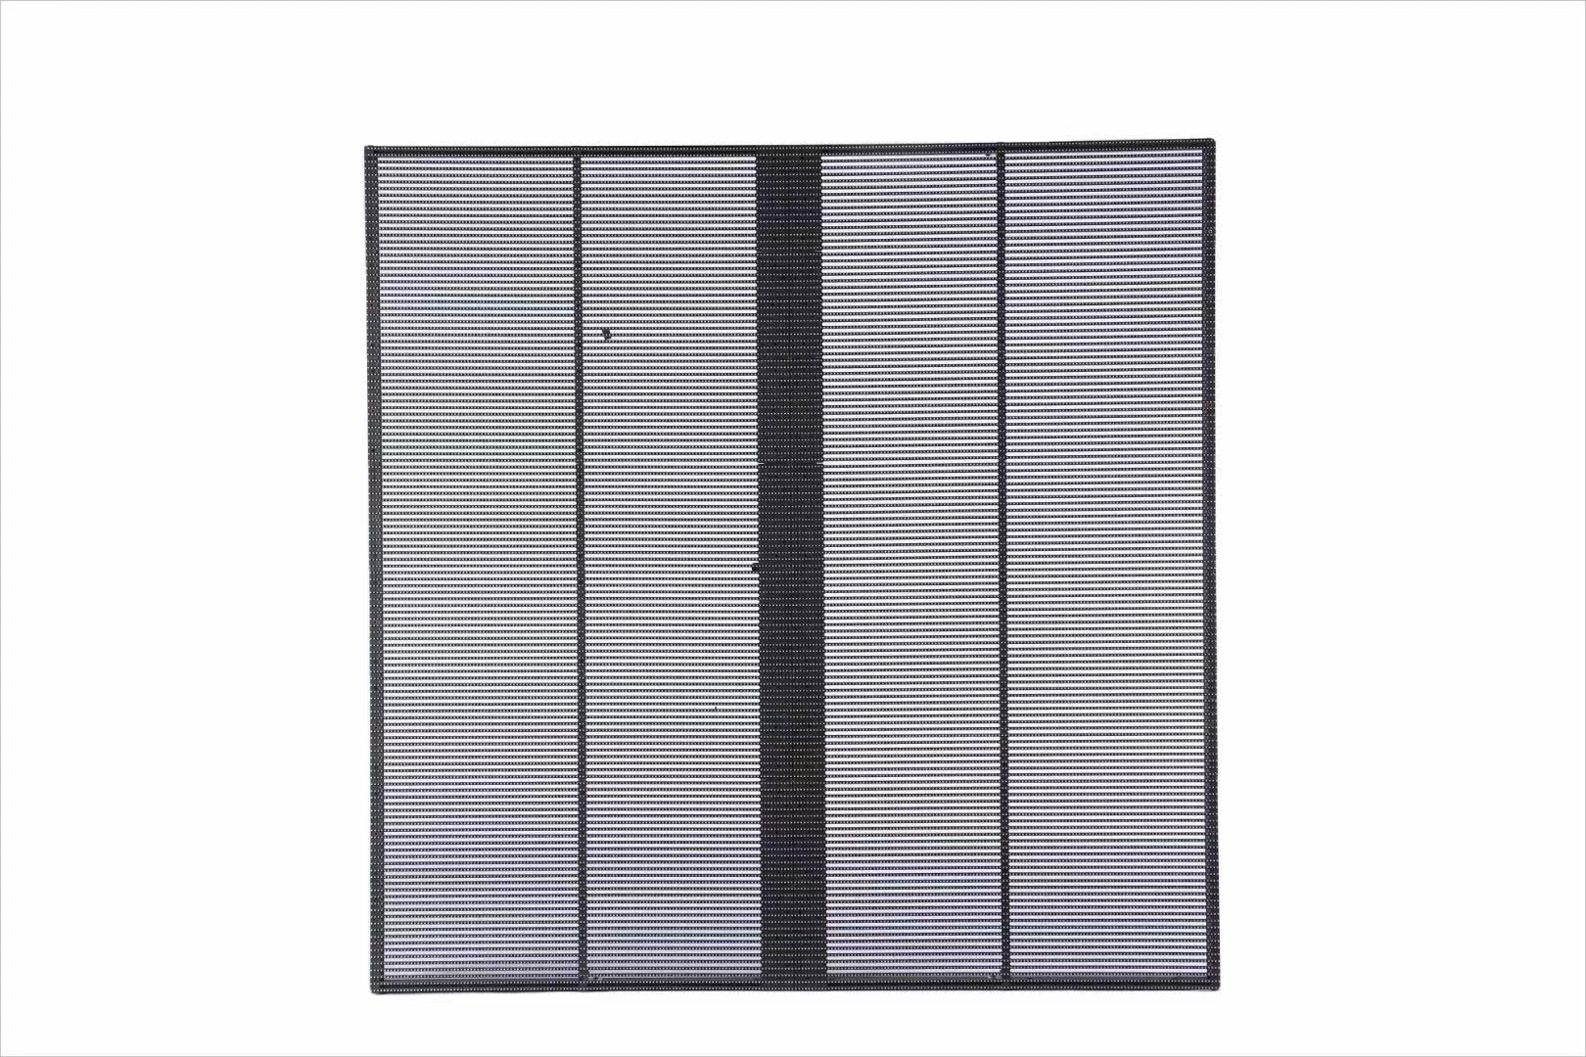
Serial Number | Technical Specifications
1 | Spacing (horizontal, vertical, etc.) |  |  |  | Horizontal: 3.91, Vertical: 7.8
2 | Unit pixel hollowing rate (%) |  |  |  | 75%

3 | Pixel density (dots per square meter) |  |  |  | 32768
4 | Resolution / M2 |  |  |  | 256*128
5 | Scanning method |  |  |  | 1/8
6 | Maximum power consumption (W/M2) |  |  |  | 800
7 | Average power consumption of video playback (W/M2) |  |  |  | 360
8 | Display brightness (nits) |  |  |  | 4500
9 | Box size (mm) |  |  |  | 1000*1000*80
10 | Box weight (KG) |  |  |  | 7.5
11 | Screen refresh rate (Hz) |  |  |  | ≥1920
12 | Pixel composition |  |  |  | 1R1G1B
13 | Driver IC |  |  |  | ICN2038
14 | LED control system |  |  |  | Carlette / Nova
15 | display port |  |  |  | DVI/HDMI/DP/Cable/USB/WIFI/Internet cloud control
16 | gray scale |  |  |  | 65536bit
17 | level of protection |  |  |  | IP30
18 | LED package |  |  |  | 1921 Label sticker
19 | Shadow Elimination Function |  |  |  | Equipped with
20 | Power parameters |  |  |  | Power factor correction LED-specific power supply, DC5V, 80A, PFC
21 | working voltage |  |  |  | DC4.6~5V
22 | input voltage |  |  |  | AC 100 - 240V, 50/60Hz, 4.9A, Voltage Adaptive
23 | Working temperature/humidity |  |  |  | -20 to 50 degrees Celsius, 10% - 90% without condensation
24 | Box material |  |  |  | Aluminum profile
25 | way to install |  |  |  | Lifting / Laying
26 | LED lamp lifespan |  |  |  | Theoretical maximum: 100,000 hours

